Print Page 1
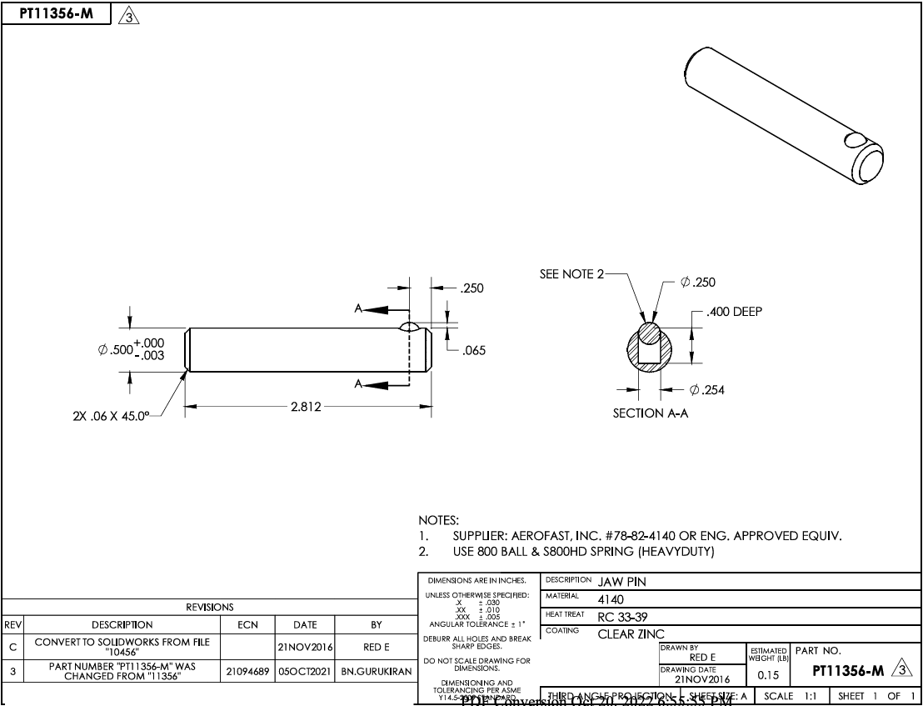

6
4

2
5

3a
3b
1

Tolerance Table
